old
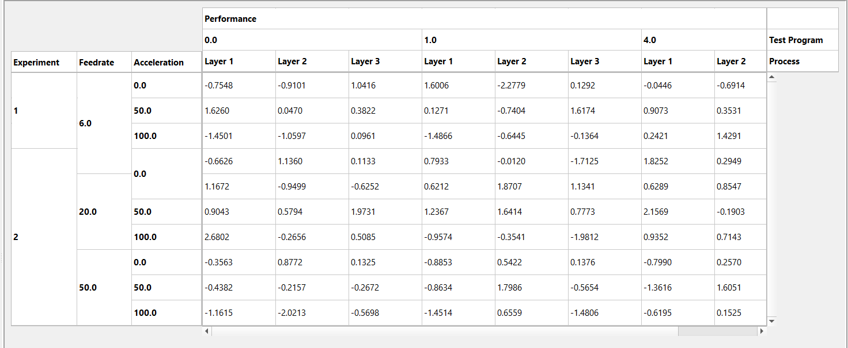
 | 0 | 1 | 2 | 3 | 4 | 5 | 6
0 | indexHeaderNames | columnHeader | columnHeader | columnHeaderNames | setColumnStretch
1 | indexHeader | indexHeader |  |  | setColumnStretch
2 | indexHeader | indexHeader | dataView | verticalScrollBar | setColumnStretch
3 |  |  | horizontalScrollBar |  | setColumnStretch
4 | setRowStretch | setRowStretch | setRowStretch | setRowStretch
5
6

